Dashboard
ETF Portfolio Calculator
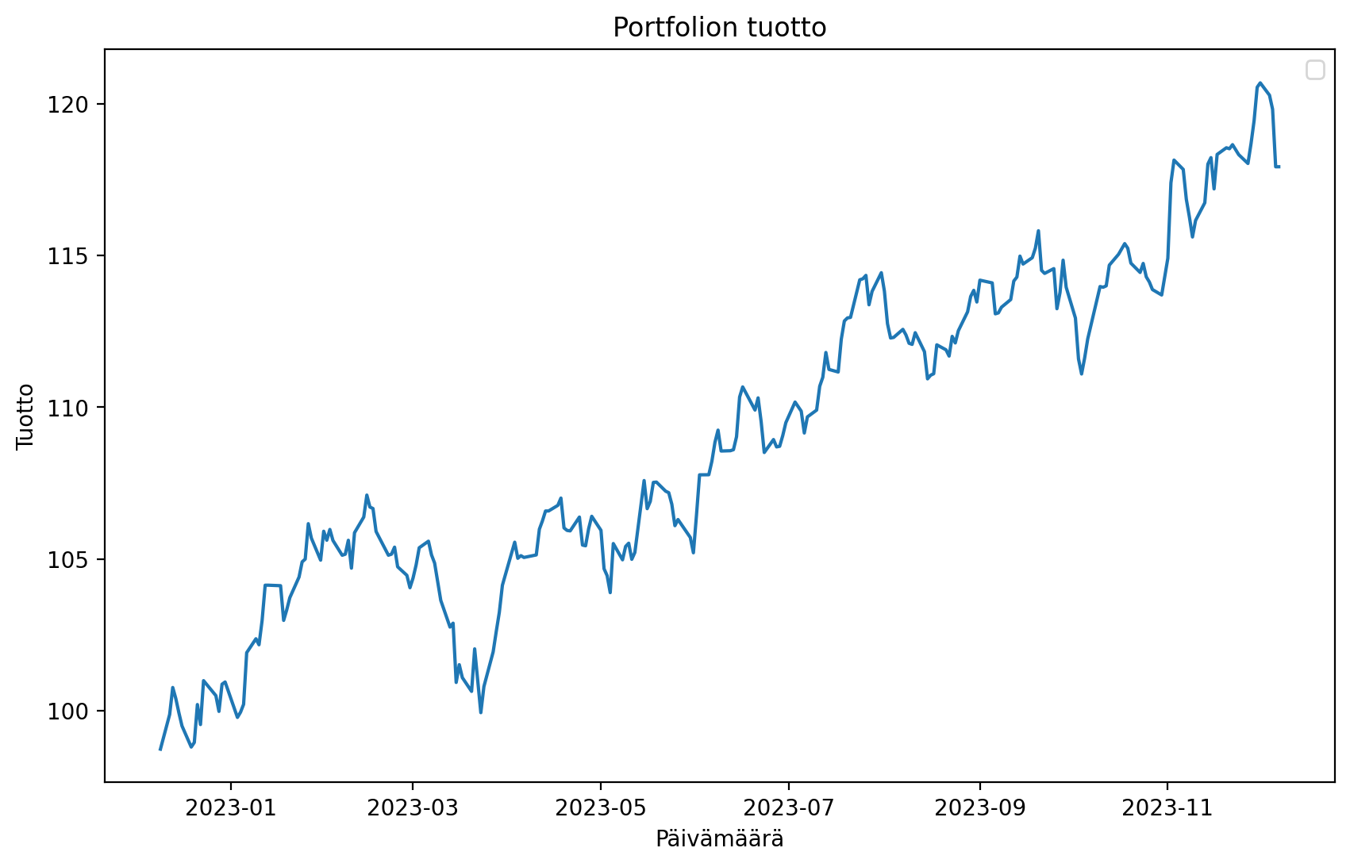
 | Paste The Tickers: |  |  |  | Ticker Finder:
 | DIA | SPDR Dow Jones Industrial Average ETF | PCX | | | Search word: | Aero |  |  | Variance | Mean Return | Sharpe
 | AGG | iShares Core US Aggregate Bond ETF | PCX | | | Ticker | Name | Exchange | Portfolio
 | ASHR | Deutsche X-trackers Harvest CSI300 CHN A | PCX | | | ITA | iShares US Aerospace & Defense ETF | PCX | TICKER
 | AMJ | JPMorgan Alerian MLP ETN | PCX | | | PPA | PowerShares Exchange-Traded Fund Trust - PowerShares Aerospace & Defense Portfolio | PCX | TICKER
 | XME | SPDR S&P Metals and Mining ETF | PCX | | | XAR | SPDR Series Trust - SPDR S&P Aerospace & Defense ETF | PCX
 | VIG | Vanguard Specialized Funds - Vanguard Dividend Appreciation ETF | PCX | | | ITA.MX | iShares Trust - iShares U.S. Aerospace & Defense ETF | MEX
 | IYT | iShares Trust - iShares Transportation Average ETF | PCX | |
 | AMLP | Alerian MLP ETF | PCX | |
 | CHAU | Direxion Shares ETF Trust - Direxion Daily CSI 300 China A Share Bull 2X Shares | PCX | |
 | VEU | Vanguard FTSE All-Wld ex-US ETF | PCX | |
 | AGQ | ProShares Ultra Silver | PCX | |
 | FXA | CurrencyShares Australian Dollar Trust | PCX | |
 | DBA | PowerShares DB Agriculture ETF | PCX | |
 | BOND | PIMCO ETF Trust - PIMCO Active Bond Exchange-Traded Fund | PCX | |
 | ADRE | BLDRS Emerging Markets 50 ADR ETF | NGM | |
 | ACWI | iShares Trust - iShares MSCI ACWI ETF | NGM | |
 | PKW | PowerShares Exchange-Traded Fund Trust - PowerShares Buyback Achievers Portfolio | NGM | |
 | MOO | VanEck Vectors ETF Trust - VanEck Vectors Agribusiness ETF | PCX | |
 |  |  |  | |
 |  |  |  | |
 |  |  |  | |
 |  |  |  | |
 |  |  |  | |
 |  |  |  | |
 |  |  |  | |
 |  |  |  | |
 |  |  |  | |
 |  |  |  | |
 |  |  |  | |
 |  |  |  | |
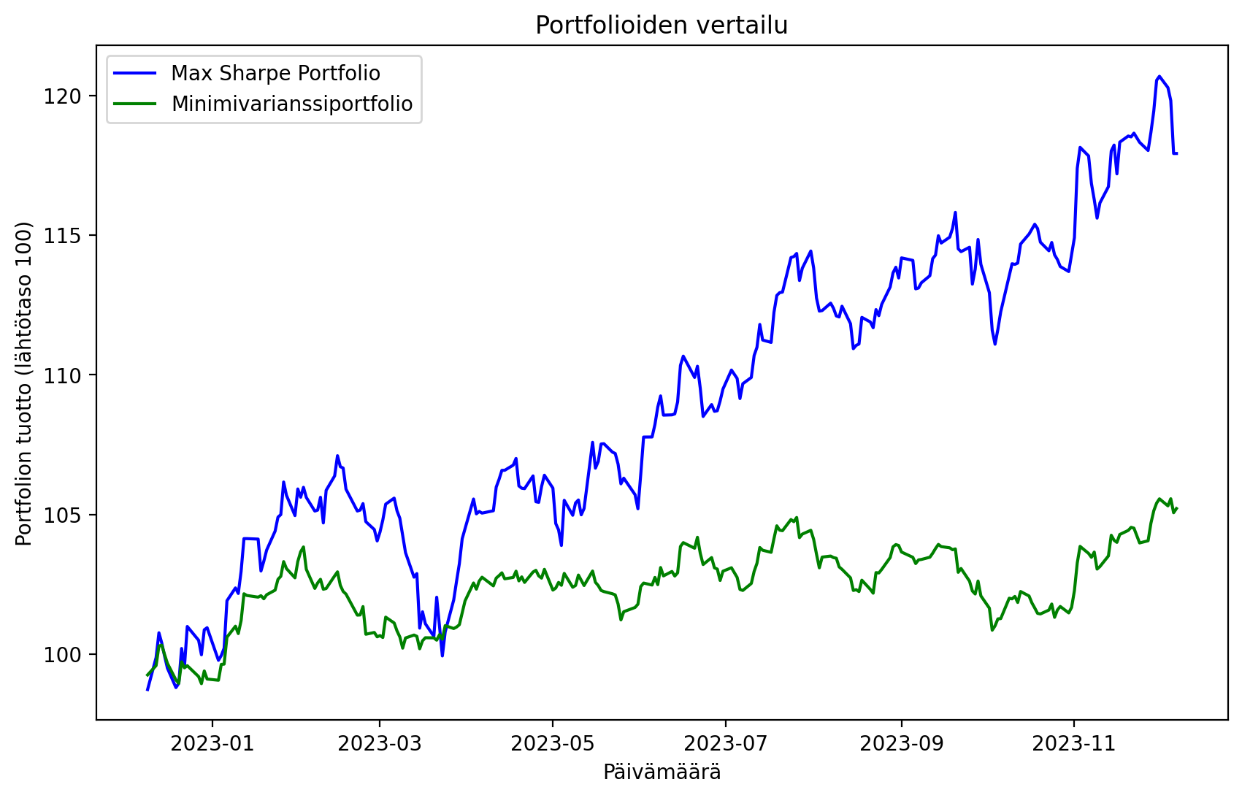
 |  |  |  | |
 |  |  |  | |
 |  |  |  | |
 |  |  |  | |
 |  |  |  | |
 |  |  |  | |
 |  |  |  | |
 |  |  |  | |
 |  |  |  | |
 |  |  |  | |
 |  |  |  | |
 |  |  |  | |
 |  |  |  | |
 |  |  |  | |
 |  |  |  | |
 |  |  |  | |
 |  |  |  | |
 |  |  |  | |
 |  |  |  | |
 |  |  |  | |
 |  |  |  | |
 |  |  |  | |
 |  |  |  | |
 |  |  |  | |
 |  |  |  | |
 |  |  |  | |
 |  |  |  | |
 |  |  |  | |
 |  |  |  | |
 |  |  |  | |
 |  |  |  | |
 |  |  |  | |
 |  |  |  | |
 |  |  |  | |
 |  |  |  | |
 |  |  |  | |

        
        
        
        
        
        
        
        
        
        
        
        
        
        
        
        
        
        
        
        
        
        
        
        
        
        
        
        
        
        
        
        
        
        
        
        
        
        
        
        
        
        
        
        
        
        
        
        
        
        
        
        
        
        
        
        
        
        
        
        
        
        
        
        
        
        
        
        
        
        
        
        
        
        
        
        
        
        
        
        
        
        
        
        
        
        
        
        
        
        
        
        
        
        
        
        
        
        
        
        
        
        
        
        
        
        
        
        
        
        
        
        
        
        
        
        
        
        
        
        
        
        
        
        
        
        
        
        
        
        
        
        
        
        
        
        
        
        
        
        
        
        
        
        
        
        
        
        
        
        
        
        
        
        
        
        
        
        
        
        
        
        
        
        
        
        
        
        
        
        
        
        
        
        
        
        
        
        
        
        
        
        
        
        
        
        
        
        
        
        
        
        
        
        
        
        
        
        
        

